BUG SHEET
 |  |  | MY DEVICE: iOS(iPhone 8plus

BugID | BUG TITLE | ISSUE TYPE | Nigeria | EXPECTED RESULT | SCREENSHOT | screenshot link | Video link | COMMENTS | STATUS
bug_001 | a new user should be able click Sign Up after clicking on Login | Sign Up-new user | 1. Launch the Moneipoint app, 2. Click on Login, 3. Attempt to click on Sign up., 4.Observe | user should be able to close the screen or a Signup link to continue |  | https://drive.google.com/drive/u/0/folders/1Bi63ob58t4o2DDePmuz5JVWeveztXZDo | https://drive.google.com/drive/u/0/folders/1Bi63ob58t4o2DDePmuz5JVWeveztXZDo
bug_002 | list of countries not listed, user is constraint to only Nigeria | Sign Up-new user - country | 1. Launch the Moneipoint app, 2. Click on Login, 3. Attempt to click on Sign up., 4.Observe | list of countries should be available to pick from in the LOV |  | https://drive.google.com/drive/u/0/folders/1Bi63ob58t4o2DDePmuz5JVWeveztXZDo | https://drive.google.com/drive/u/0/folders/1Bi63ob58t4o2DDePmuz5JVWeveztXZDo
bug_003 | date of birth format displayed not aligned with date of birth that app is using to validate | Sign Up-new user - date of birth | 1. Launch the Moneipoint app, 2. Click on SignUp, 3. verify phone no , 4. Click Next , 5. input date of birth in a format displays on the apps | the default date of birth that must be displayed should be current date not past date |  | https://drive.google.com/drive/u/0/folders/1Bi63ob58t4o2DDePmuz5JVWeveztXZDo | https://drive.google.com/drive/u/0/folders/1Bi63ob58t4o2DDePmuz5JVWeveztXZDo
bug_004 | date of birth input accepts alphabets | Sign Up-new user - date of birth | 1. Launch the Moneipoint app, 2. Click on SignUp, 3. verify phone no , 4. Click Next , 5. Input alphabets in the date of birth field input date of birth in field. | the field accept both digits and alphabets, it should not allow user to input any other letters except digits |  | https://drive.google.com/drive/u/0/folders/1Bi63ob58t4o2DDePmuz5JVWeveztXZDo | https://drive.google.com/drive/u/0/folders/1Bi63ob58t4o2DDePmuz5JVWeveztXZDo
bug_005 | calendar specification on the date of birth shows date in the past | Sign Up-new user - date of birth | 1. Launch the Moneipoint app, 2. Click on SignUp, 3. verify phone no , 4. Click Next , 5. view default date on the calendar for date of birth. | the calendar for date of birth should display current date |  | https://drive.google.com/drive/u/0/folders/1Bi63ob58t4o2DDePmuz5JVWeveztXZDo
bug_006 | apps name is showing "Personal" | Apps Icon | 1. Launch the Moneipoint app, 2. Observe the Icon | the app name should be corrected to the names that it suppose to be
bug_007 | apps logo, icon, position placement, colors are not consistent within the apps | Apps Icon | 1. Launch the Moneipoint app, 2. Observe the Icon, 3. Observe the icon positin and color 3.Compare with the icon, position, size and color with the first screen on sign up | the app name should be corrected to the names that it suppose to be
bug_008 | OTP expiry time should be reduced to 1 minute to reduce audul attempt | Sign Up-new user : phone verification code | 1. Launch the Moneipoint app, 2. Click on SignUp, 3. verify phone no , 4. observe till after 5minutes, 5. Click Next. | verification code expiry time should be reduced to 1minute
bug_009 | verification expiry time exceed the 5minutes stated in the verification message received | Sign Up-new user : phone verification code | 1. Launch the Moneipoint app, 2. Click on SignUp, 3. verify phone no , 4. observe till after 5minutes, 5. Click Next. | verification code should expired and not to be valid or usable after 5mins. On clicking next, the app should alert that "verification code has expired"
bug_010 | after logout the field for username has default # input that require deleting before user can enter valid username | Log_out | 1. Launch the Moneipoint app, 2. Click on Login, 3. After successful login, click on log out | the # should not be editable and should erase on each letter representing valid user name | 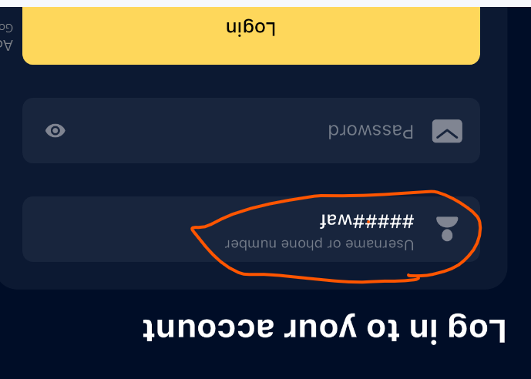 | You actually do not need to enter username again. The ## is a way of hardcoding your data. All you need to do is enter your password to login
bug_011 | there is no alert on maximum no of trials for photo upload verification trials | Login- face verifications | 1. Launch the Monepoint app, 2. Click on Login, 3. Click on Upgrade | After few trials, am not able to continue with the trials while exploring this functionality | 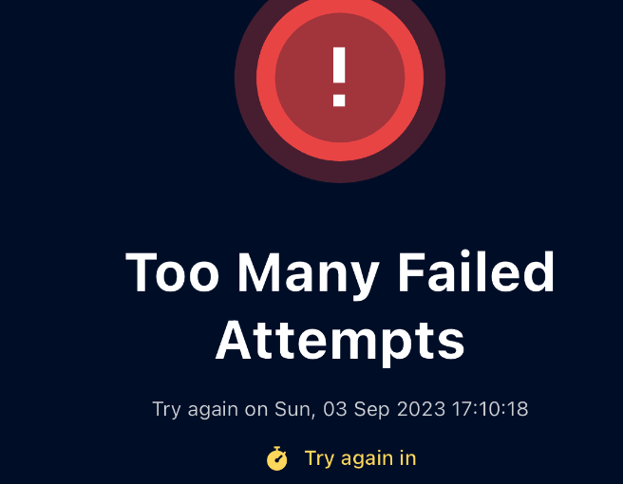
bug_012 | distance between the app logo and login fields are too wide | Login- face verifications | 1. Launch the Moneipoint app, 2. Click on Login. | this information should be adjusted to fill the iPhone screen properly | https://drive.google.com/drive/u/0/folders/1Bi63ob58t4o2DDePmuz5JVWeveztXZDo
bug_013 | background colors between app login screen and pop up screen for forgot password is not properly blend and aligned | Login screen | 1. Launch the Monepoint app, 2. Click on Login. 3. Click on Forgot Username or forgot password 5. observe the background of the "What will you like to do" | background color do not aligned with the login scree background, a new screen can be open entirely for this functionality
bug_014 | clicking forgot username or forgot password makes the app logo and login screen to get blurr | Login screen | 1. Launch the Moneipoint app, 2. Click on Forgot Username or forgot password 5. observe the login scree and apps logo | the apps logo mur remain clear and login background must be clear and visible as initially displayed
bug_015 | envelope logo beside password field should be removed completely. | Login screen | 1. Launch the Moneipoint app, 2. observe the envelope icon in the password field. | this envelope logo is not relevant to password field and should be removed.
bug_016 | log out, continue upgrade button need to be adjisted downward to accommodate to avoid overlapping of the information on the screen. | home page | 1. Launch the Moneipoint app, 2. Input valid username and password | button need to be adjusted down
bug_017 | default code in the forgot username should be remove from the username. | forgot username | 1. Launch the Moneipoint app, 2. Click on Forgot Username or forgot password 5.tap the "forgot username" | there is a default *5573*73*1# data which should be removed to allow user input either their username or registered phone no for username recovery process | 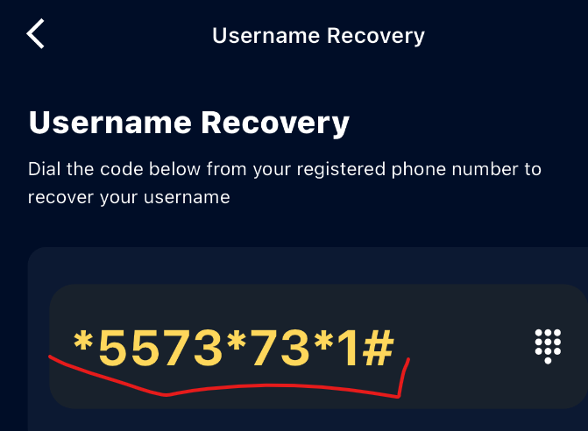
bug_018 | Clicking to make a call using default *5573*73*1# shows error | forgot username | 1. Launch the Moneipoint app, 2. Click on Forgot Username or forgot password 3.tap the "forgot username" ,4. Click on the icon beside the username field to make a call. | error message was encountered |  | https://drive.google.com/drive/u/0/folders/1Bi63ob58t4o2DDePmuz5JVWeveztXZDo
bug_019 | call button and cancel button overlaps on the next button under it and showing inbetween. | forgot username | 1. Launch the Moneipoint app, 2. Click on Forgot Username or forgot password 3. tap the "forgot username" , 4. Click on the icon beside the username field to make a call 5. observe the next button showing under because the call button and cancel overlapped on it. | the Next button should not be allowed to show under these buttons | 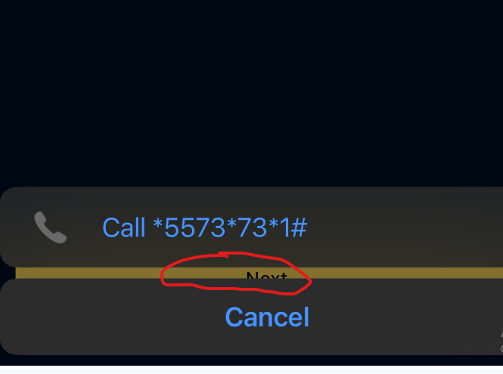
bug_020 | password recovery screen is displaying username field | forgot password | 1. Launch the Moneipoint app, 2. Click on Forgot Username or forgot password 3. tap the "forgot password" , 4. observe the password field | password field should be corrected from username displayed | 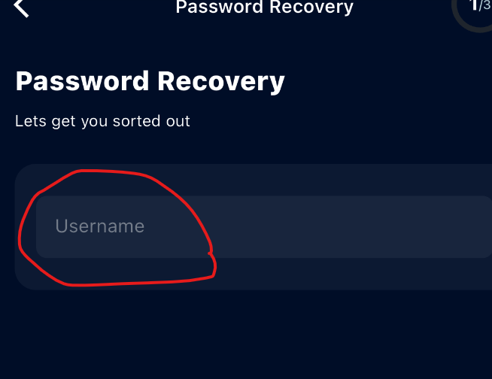
bug_021 | password field on password recovery screen is not masked. | forgot password | 1. Launch the Moneipoint app, 2. Click on Forgot Username or forgot password 3. tap the "forgot password" , 4. input password | the password field should be masked for security reason and based on the best standard. | 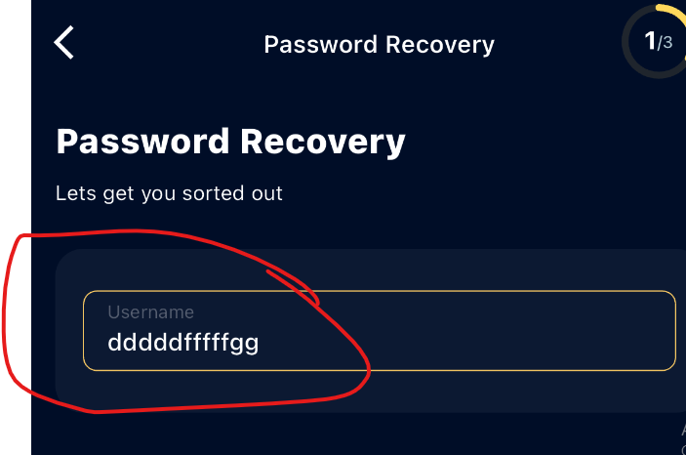
bug_022 | forgot password validation message displays "Resuest Failed-invalid username" and blur background | forgot password | 1. Launch the Moneipoint app, 2. Click on Forgot Username or forgot password 3. tap the "forgot password" , 4. input password | the password field should be masked for security reason and based on the best standard, the password field diisplays an error as "Request Failed - Invalid username"
bug_023
bug_024
bug_025

